Sheet2
Lot #2
 | Brand | Style | Color | Retail
 | Michael Kors | Hamilton | Black/Optic White | $398

 | Michael Kors | Jet Set Scarf Tote | Optic White | $348
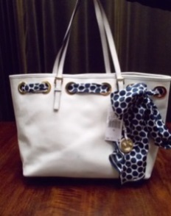
 | Marc Jacobs | Too Hot To Handle Sofia | Nickel | $298
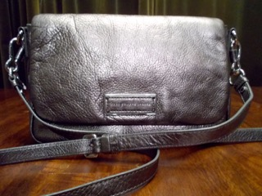
 | Michael Kors | Brooke Shoulder Bag | Black | $328

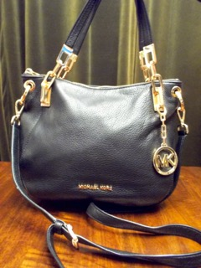
 | Michael Kors | Backpack | Graphite | $168
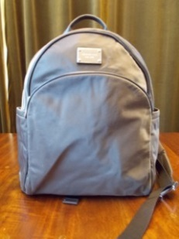
 | Michael Kors | Perforated Flower Tote | Gold
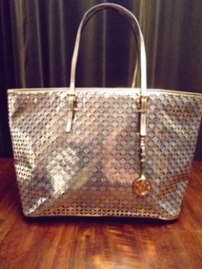
 | Coach | Bleecker Sullivan Hobo | Pink/Camel | $378
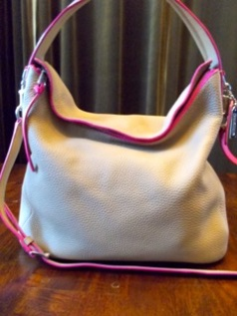
 | Coach | Bleecker Brommet Duffle | Brown | $428
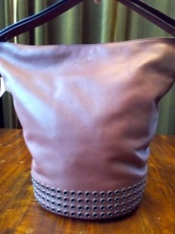
 | Marc Jacobs | Tech Me Tech Me Tote | Orange/Gray | $198

 | Coach | Poppy FoldOver Satchel | Gray | $198
 | Coach | Bleecker Preston | White | $258
 | Coach | Madison East/West Tote | Black | $298
 | Coach | Turnlock | Black | $398
 | Marc Jacobs | Cosmetic Bag | Striped Coated-Cotton | $78
 | Michael Kors | Coin Wallet | Brown | $58
 | Michael Kors | Wristlet | Vanilla | $98
 | Michael Kors | Kempton Crossbody | Black | $128
 | Michael Kors | Crossbody | Black | $148
 | Michael Kors | Kempton | Black | $148
 | Michael Kors | Jet Set Crossbody | Luggage | $168
 | Michael Kors | Jet Set Tote | Vanilla | $198
 | Michael Kors | Bedford Crossbody | Black | $198
 | Michael Kors | Studded Straw Tote | Black | $228
 | Michael Kors | Hamilton Messenger Bag | Black | $264
 | Michael Kors | Jet Set Reversible Tote | Brown | $268
 | Michael Kors | Gilmore Tote | Black | $298
 | Michael Kors | Convertible Shoulder Bag | Brown | $298
 | Michael Kors | Sutton | Black | $328
 | Michael Kors | Selma | Optic White | $358
 | Michael Kors | Hamilton Mono Stripe | Navy | $358
 | Patricia Nash | Leather Duffle | Indigo/Brown | $228
 | Vince Camuto | Cris Cross Crossbody | Gray | $98
 | Vince Camuto | Leather Tote | Green | $198
 | Vince Camuto | Robin Satchel | Gray | $298
 |  |  |  | $8,140

 | Buy it Now Price | $3,491

